ISM PMI
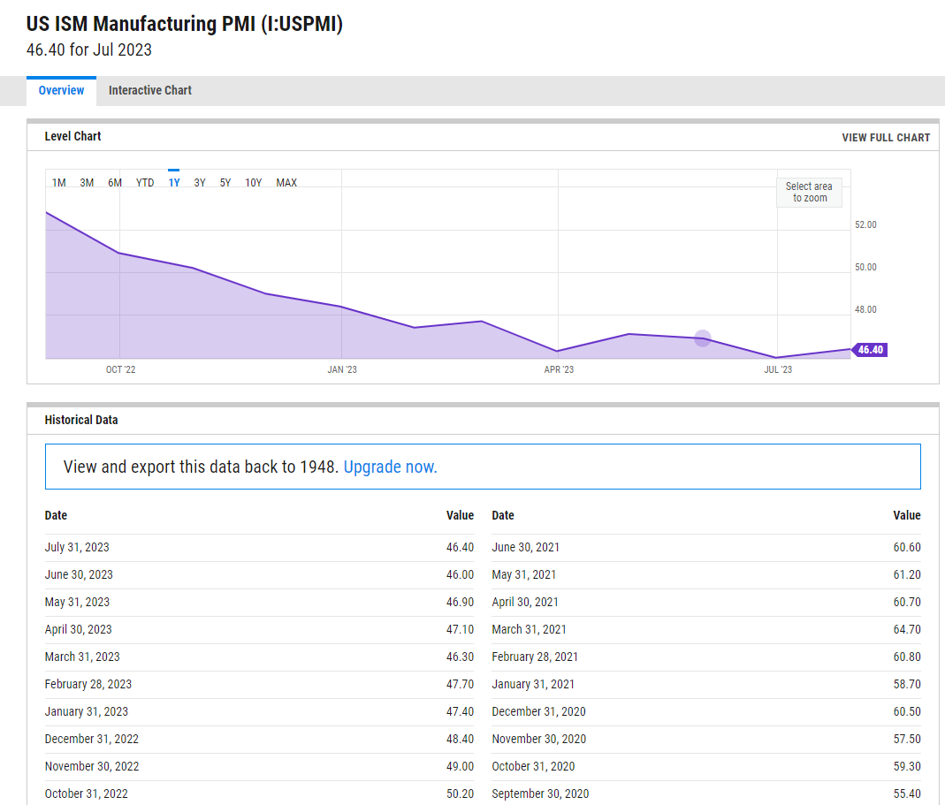
https://ycharts.com/indicators/us_pmi

ISM Service PMI
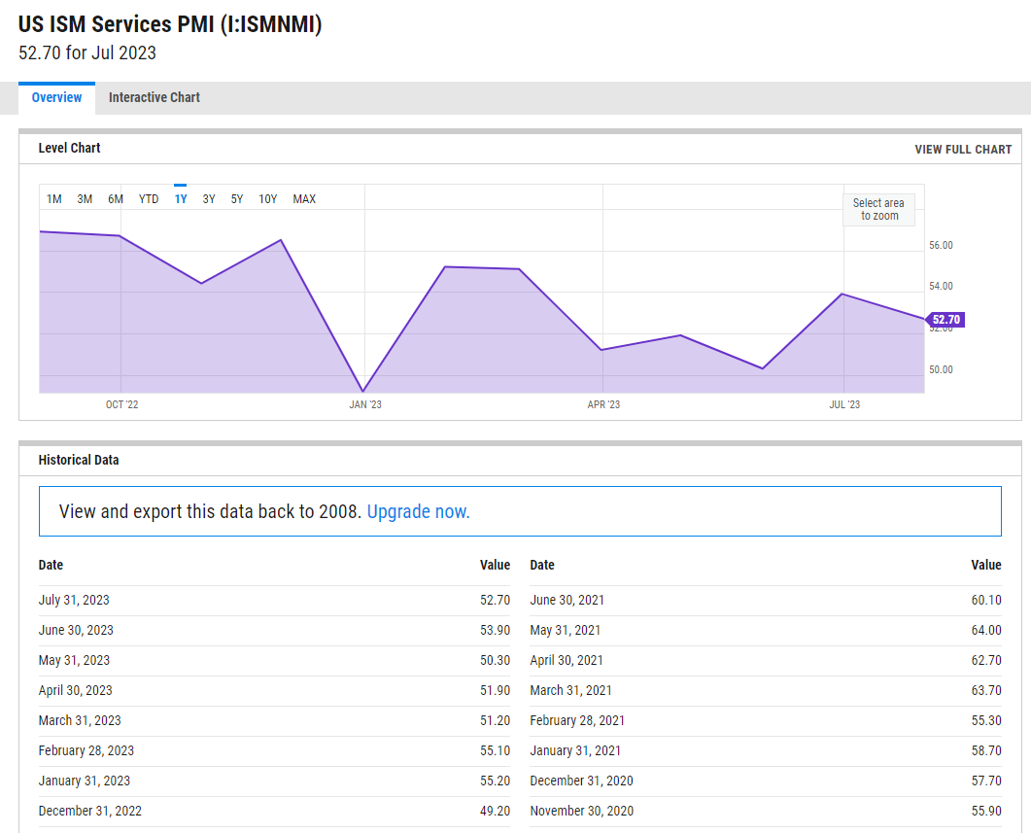
https://ycharts.com/indicators/us_ism_non_manufacturing_index

UMCSI
 | MONTHLY DATA | THREE MONTH MOVING AVERAGE
Datemy | ICS_ALL_M | ICS_ALL

2013-01-01 | 73.8 | 76.5
2013-02-01 | 77.6 | 74.8
2013-03-01 | 78.6 | 76.7
2013-04-01 | 76.4 | 77.5
2013-05-01 | 84.5 | 79.8
2013-06-01 | 84.1 | 81.7
2013-07-01 | 85.1 | 84.6
2013-08-01 | 82.1 | 83.8
2013-09-01 | 77.5 | 81.6
2013-10-01 | 73.2 | 77.6
2013-11-01 | 75.1 | 75.3
2013-12-01 | 82.5 | 76.9
2014-01-01 | 81.2 | 79.6
2014-02-01 | 81.6 | 81.8
2014-03-01 | 80 | 80.9
2014-04-01 | 84.1 | 81.9
2014-05-01 | 81.9 | 82
2014-06-01 | 82.5 | 82.8
2014-07-01 | 81.8 | 82.1
2014-08-01 | 82.5 | 82.3
2014-09-01 | 84.6 | 83
2014-10-01 | 86.9 | 84.7
2014-11-01 | 88.8 | 86.8
2014-12-01 | 93.6 | 89.8
2015-01-01 | 98.1 | 93.5
2015-02-01 | 95.4 | 95.7
2015-03-01 | 93 | 95.5
2015-04-01 | 95.9 | 94.8
2015-05-01 | 90.7 | 93.2
2015-06-01 | 96.1 | 94.2
2015-07-01 | 93.1 | 93.3
2015-08-01 | 91.9 | 93.7
2015-09-01 | 87.2 | 90.7
2015-10-01 | 90 | 89.7
2015-11-01 | 91.3 | 89.5
2015-12-01 | 92.6 | 91.3
2016-01-01 | 92 | 92
2016-02-01 | 91.7 | 92.1
2016-03-01 | 91 | 91.6
2016-04-01 | 89 | 90.6
2016-05-01 | 94.7 | 91.6
2016-06-01 | 93.5 | 92.4
2016-07-01 | 90 | 92.7
2016-08-01 | 89.8 | 91.1
2016-09-01 | 91.2 | 90.3
2016-10-01 | 87.2 | 89.4
2016-11-01 | 93.8 | 90.7
2016-12-01 | 98.2 | 93.1
2017-01-01 | 98.5 | 96.8
2017-02-01 | 96.3 | 97.7
2017-03-01 | 96.9 | 97.2
2017-04-01 | 97 | 96.7
2017-05-01 | 97.1 | 97
2017-06-01 | 95 | 96.4
2017-07-01 | 93.4 | 95.2
2017-08-01 | 96.8 | 95.1
2017-09-01 | 95.1 | 95.1
2017-10-01 | 100.7 | 97.5
2017-11-01 | 98.5 | 98.1
2017-12-01 | 95.9 | 98.4
2018-01-01 | 95.7 | 96.7
2018-02-01 | 99.7 | 97.1
2018-03-01 | 101.4 | 98.9
2018-04-01 | 98.8 | 100
2018-05-01 | 98 | 99.4
2018-06-01 | 98.2 | 98.3
2018-07-01 | 97.9 | 98
2018-08-01 | 96.2 | 97.4
2018-09-01 | 100.1 | 98.1
2018-10-01 | 98.6 | 98.3
2018-11-01 | 97.5 | 98.7
2018-12-01 | 98.3 | 98.1
2019-01-01 | 91.2 | 95.7
2019-02-01 | 93.8 | 94.4
2019-03-01 | 98.4 | 94.5
2019-04-01 | 97.2 | 96.5
2019-05-01 | 100 | 98.5
2019-06-01 | 98.2 | 98.5
2019-07-01 | 98.4 | 98.9
2019-08-01 | 89.8 | 95.5
2019-09-01 | 93.2 | 93.8
2019-10-01 | 95.5 | 92.8
2019-11-01 | 96.8 | 95.2
2019-12-01 | 99.3 | 97.2
2020-01-01 | 99.8 | 98.6
2020-02-01 | 101 | 100
2020-03-01 | 89.1 | 96.6
2020-04-01 | 71.8 | 87.3
2020-05-01 | 72.3 | 77.7
2020-06-01 | 78.1 | 74.1
2020-07-01 | 72.5 | 74.3
2020-08-01 | 74.1 | 74.9
2020-09-01 | 80.4 | 75.7
2020-10-01 | 81.8 | 78.8
2020-11-01 | 76.9 | 79.7
2020-12-01 | 80.7 | 79.8
2021-01-01 | 79 | 78.9
2021-02-01 | 76.8 | 78.8
2021-03-01 | 84.9 | 80.2
2021-04-01 | 88.3 | 83.3
2021-05-01 | 82.9 | 85.4
2021-06-01 | 85.5 | 85.6
2021-07-01 | 81.2 | 83.2
2021-08-01 | 70.3 | 79
2021-09-01 | 72.8 | 74.8
 | MONTHLY DATA | THREE MONTH MOVING AVERAGE
41275 | 73.8 | 76.5
41306 | 77.6 | 74.8
41334 | 78.6 | 76.7
41365 | 76.4 | 77.5
41395 | 84.5 | 79.8
41426 | 84.1 | 81.7
41456 | 85.1 | 84.6
41487 | 82.1 | 83.8
41518 | 77.5 | 81.6
41548 | 73.2 | 77.6
41579 | 75.1 | 75.3
41609 | 82.5 | 76.9
41640 | 81.2 | 79.6
41671 | 81.6 | 81.8
41699 | 80 | 80.9
41730 | 84.1 | 81.9
41760 | 81.9 | 82
41791 | 82.5 | 82.8
41821 | 81.8 | 82.1
41852 | 82.5 | 82.3
41883 | 84.6 | 83
41913 | 86.9 | 84.7
41944 | 88.8 | 86.8
41974 | 93.6 | 89.8
42005 | 98.1 | 93.5
42036 | 95.4 | 95.7
42064 | 93 | 95.5
42095 | 95.9 | 94.8
42125 | 90.7 | 93.2
42156 | 96.1 | 94.2
42186 | 93.1 | 93.3
42217 | 91.9 | 93.7
42248 | 87.2 | 90.7
42278 | 90 | 89.7
42309 | 91.3 | 89.5
42339 | 92.6 | 91.3
42370 | 92 | 92
42401 | 91.7 | 92.1
...
2021-10-01 | 71.7 | 71.6
2021-11-01 | 67.4 | 70.6
2021-12-01 | 70.6 | 69.9
2022-01-01 | 67.2 | 68.4
2022-02-01 | 62.8 | 66.9
2022-03-01 | 59.4 | 63.1
2022-04-01 | 65.2 | 62.5
2022-05-01 | 58.4 | 61
2022-06-01 | 50 | 57.9
2022-07-01 | 51.5 | 53.3
2022-08-01 | 58.2 | 53.2
2022-09-01 | 58.6 | 56.1
2022-10-01 | 59.9 | 58.9
2022-11-01 | 56.8 | 58.4
2022-12-01 | 59.7 | 58.8
2023-01-01 | 64.9 | 60.5
2023-02-01 | 67 | 63.9
2023-03-01 | 62 | 64.6
2023-04-01 | 63.5 | 64.2
2023-05-01 | 59.2 | 61.6
2023-06-01 | 64.4 | 62.4
2023-07-01 | 71.6 | 65.1
2023-08-01 | 71.2 | 69.1

AUP
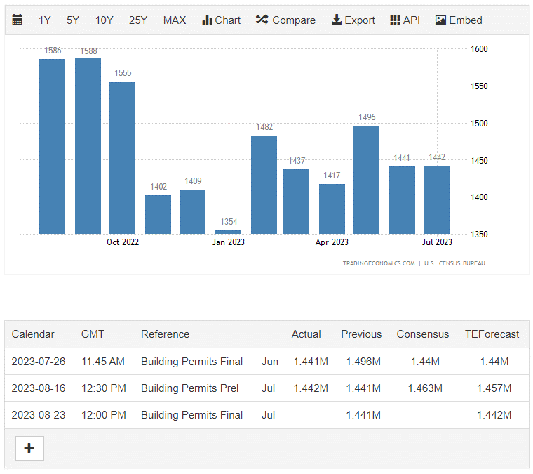
https://tradingeconomics.com/united-states/building-permits

M2
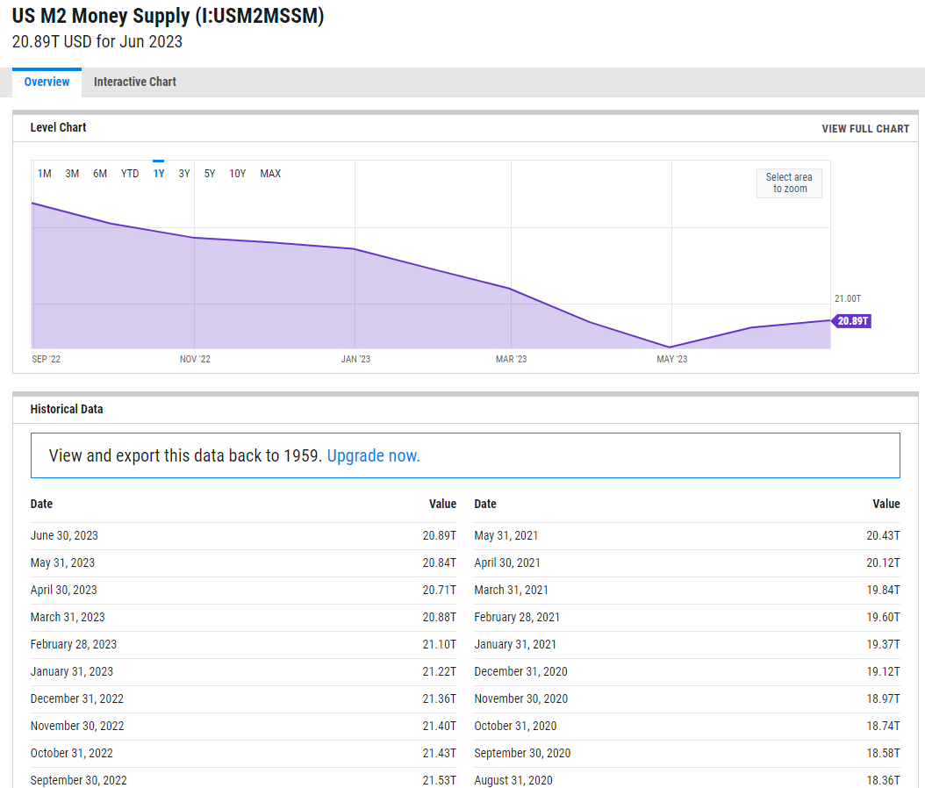
https://ycharts.com/indicators/us_m2_money_supply

Interest Rate
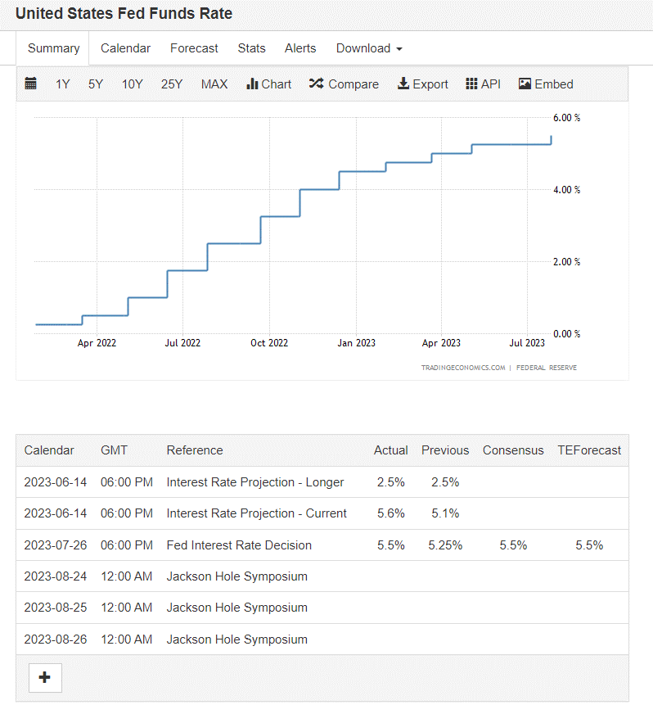
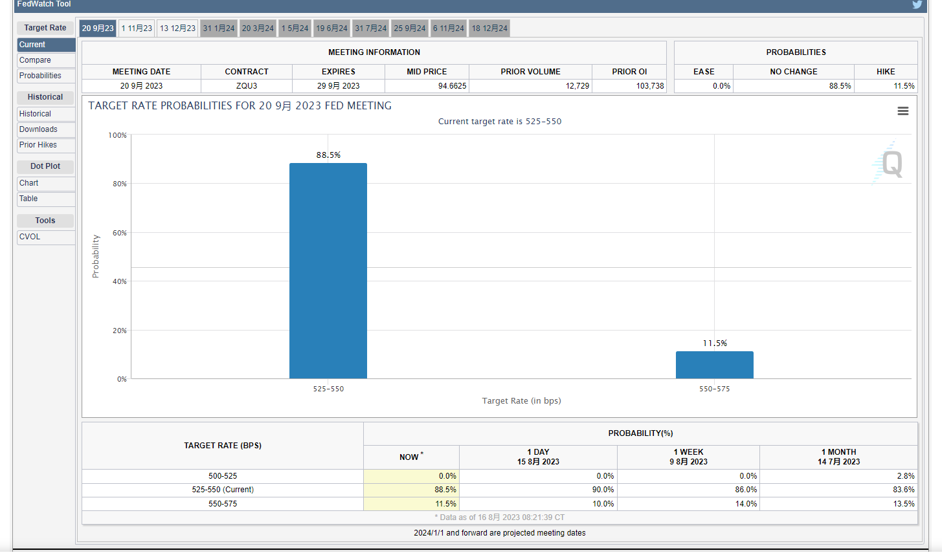
https://tradingeconomics.com/united-states/interest-rate | https://www.cmegroup.com/markets/interest-rates/cme-fedwatch-tool.html

